Sheet1
Country | Resort Name | No of Days | Travel Method | Price | Holiday ID | Q1. Create a pivot table from this data, then use the filters within to view the average prices of holidays that have a Travel Method of Plane and a Resort Name that begins with the letter S:
Australia | Great Barrier Reef | 32 | Plane | $750.00 | I990AUS
Australia | Perth | 28 | Plane | $985.00 | AUS112J
Chile | Santiago | 21 | Plane | $1,259.00 | CH266H
England | London | 3 | Train | $69.00 | I456UK
England | Bognor | 1 | Coach | $12.00 | BG726H
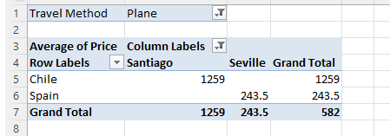
France | Lyon | 14 | Plane | $399.00 | A7995FR
France | Paris - Euro Disney | 5 | Train | $269.00 | TH789FR
France | Paris - Euro Disney | 3 | Train | $125.00 | TH788FR
France | Nice | 7 | Plane | $289.00 | I7897FR
France | Toulouse | 7 | Train | $256.00 | SG7637L
France | Nimes | 7 | Plane | $287.00 | FR5625J
Germany | Black Forest | 4 | Coach | $69.00 | A111G
Germany | Berlin | 7 | Coach | $289.00 | BR6736G
Peru | Lima | 21 | Plane | $975.00 | PG7836G
Saudi Arabia | Riyadh | 14 | Plane | $995.00 | KSA8987
Spain | Barcelona | 4 | Train | $219.00 | I6675SP
Spain | Nerja | 6 | Plane | $198.00 | TH990ESP
Spain | Malaga | 16 | Plane | $234.00 | A776ESP
Spain | Seville | 14 | Plane | $288.00 | NM9876Y
Spain | Seville | 10 | Plane | $199.00 | TH8956SP
Spain | Barcelona | 8 | Plane | $177.00 | AJ9836L
Spain | Barcelona | 7 | Coach | $199.00 | GG9836P
Spain | Malaga | 14 | Plane | $301.00 | PL8726P
Spain | Barcelona | 4 | Train | $219.00 | I6675SP
Spain | Seville | 14 | Train | $299.00 | SV767HH
Spain | Madrid | 8 | Plane | $277.00 | WE6735L
Spain | Granada | 10 | Plane | $345.00 | GR7878G
Trinidad | Port of Spain | 14 | Plane | $885.00 | TT67624G

